Dashboard for Invoice
invoice dashboard (november 2023)
Daytech
₦ 125,500.00
₦ 58,200.00
media farm
₦ 60,800.00
Datageeks

Total quantity
 | Total
Datageeks | 9
Daytech | 13
Mediafarm | 10
 | Total
Datageeks | ₦ 64,020.00
Daytech | ₦ 138,050.00
Mediafarm | ₦ 66,880.00

Invoice
INVOICE
Invoice Number | Invoice Date | Client | Quantity | Unit Price | Amount | VAT | Total | VAT | 10%
INV-0000 | 2023-11-01 | Daytech | 5 | ₦15,500.00 | ₦77,500.00 | ₦7,750.00 | ₦85,250.00
INV-0001 | 2023-11-02 | Datageeks | 5 | ₦9,600.00 | ₦48,000.00 | ₦4,800.00 | ₦52,800.00
INV-0002 | 2023-11-03 | Daytech | 7 | ₦4,000.00 | ₦28,000.00 | ₦2,800.00 | ₦30,800.00
INV-0003 | 2023-11-06 | Mediafarm | 2 | ₦23,200.00 | ₦46,400.00 | ₦4,640.00 | ₦51,040.00
INV-0004 | 2023-11-07 | Datageeks | 4 | ₦2,550.00 | ₦10,200.00 | ₦1,020.00 | ₦11,220.00
INV-0005 | 2023-11-08 | Daytech | 1 | ₦20,000.00 | ₦20,000.00 | ₦2,000.00 | ₦22,000.00
INV-0006 | 2023-11-09 | Mediafarm | 8 | ₦1,800.00 | ₦14,400.00 | ₦1,440.00 | ₦15,840.00

Logical Operators
Logical Statements
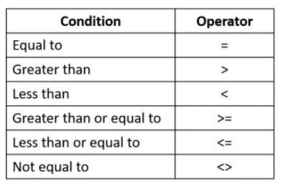
EXPENSES |  |  | Expenses over the following amount MUST be approved
Name | Total | Approval Required?
Deb Ashby | ₦800.00 | Approved | Threshold: | ₦10,000.00
Adam Lacey | ₦12,000.00 | Wait For Approval
Mike Smith | ₦10,000.00 | Wait For Approval |  | =IF(Condition,value_if_true,value_if_false)
Sarah Oxted | ₦7,500.00 | Approved
Lucy Jones | ₦5,000.00 | Approved
Claire Fisher | ₦8,000.00 | Approved
Sam Cox | ₦13,000.00 | Wait For Approval

